Terms to Know
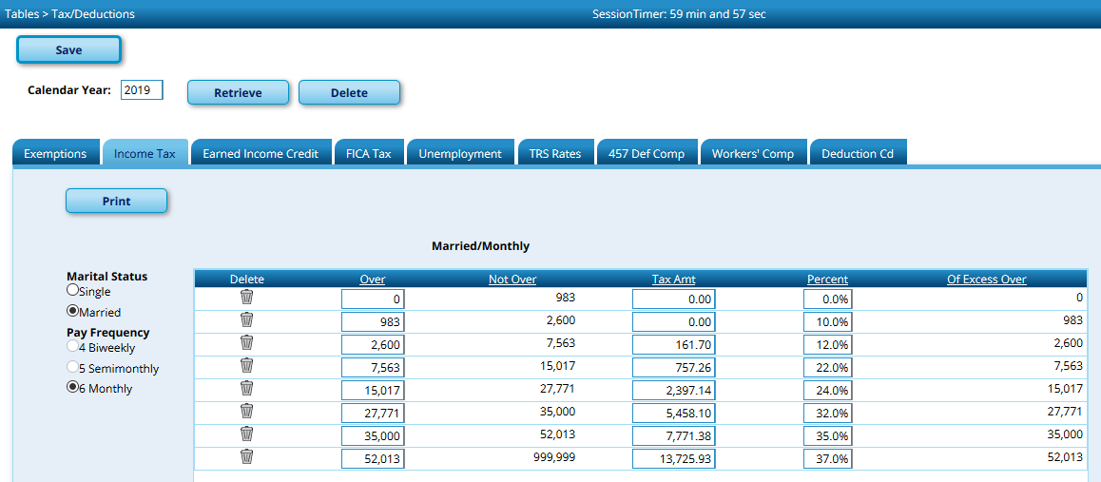
Calculating Payroll Taxes

Total Gross = Standard Gross + Supplemental Pay
Withholding Gross = Total Gross - TRS Salary Reductions - Café 125 premiums
Café 125 = option that allows some premiums to be deducted from taxable income
TRS Salary Reduction = Amount of total TRS paid by the employee
Exemption amount for 2019: $350.00

Income tax table for 2019, Marital Status Single, Pay Fequency 6 (monthly)

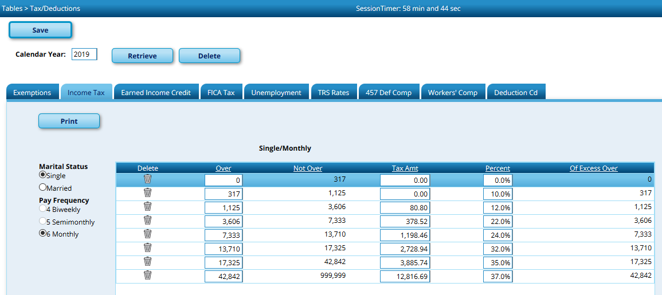

Income tax table for 2019, Marital Status Married, Pay Fequency 6 (monthly)

Married + Exemption + Deducts
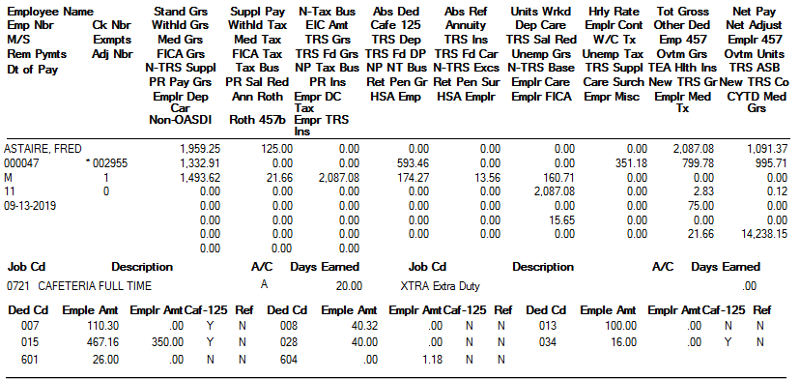
Example of tax calculations for employee filing Married with Café 125 Deductions and 1 Exemption:

Fred Astaire

Standard Gross | $1,959.25 | Supplemental Pay + Overtime | $127.83 | Total Gross | $2,087.08
TRS Salary Red. | $160.71 | Café 125 Deductions + Annuities | $593.46 | Total Non-Tax Deductions | $754.17
 |  |  |  | Withholding Gross | $1,332.91

$1332.91 falls between 983 and 2600 so base tax = $0.00 + 10% on amounts over 983.00 |  |  |  |  | $0.00
1332.91 - 983.00 = | $349.91 | less $350 for each exemption (1) |  | 349.91 - 350.00 = -.09 | $0.00
 |  |  |  | Total Withholding | $0.00

Single + Cafe Deduct + Annuity
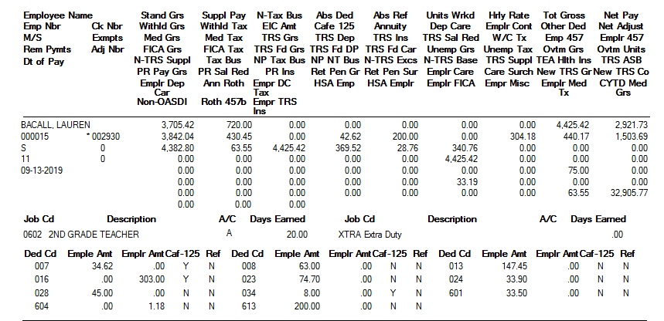
Example of tax calculations for employee filing Single with Café 125 Deductions and an Annuity:

Lauren Becall

Standard Gross | $3,705.42 | Supplemental Pay | $720.00 | Total Gross | $4,425.42
TRS Salary Red. | $340.76 | Café 125 Deductions + Annuities | $242.62 | Total Non-Tax Deductions | $583.38
 |  |  |  | Withholding Gross | $3,842.04

$3842.04 falls between $3606.00 and $7333 so base tax = 378.52 |  |  |  |  | $378.52
Amount over 3606 = $236.04. |  | 236.04 X 22% = | $51.92 |  | $51.92
 |  |  |  | Total Withholding | $430.44

2020 Married Example
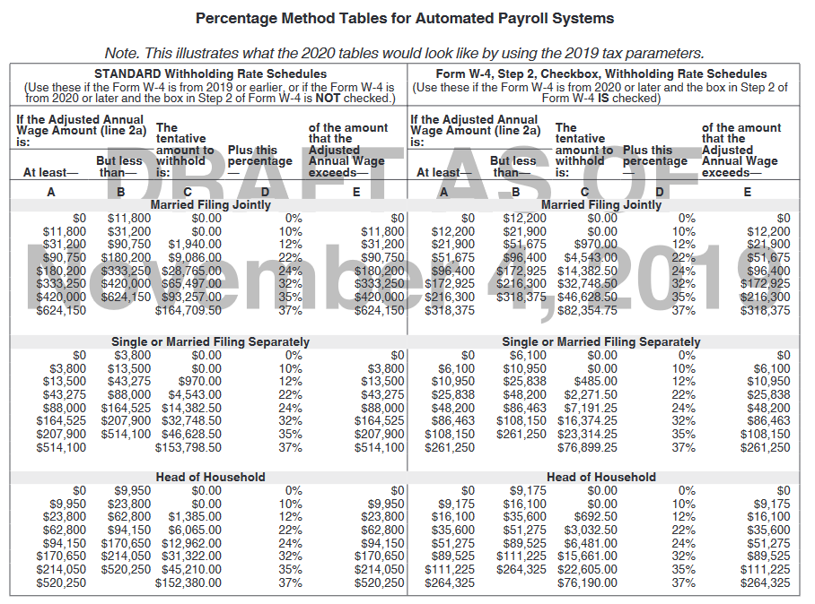
Example of 2019 tax calculations for employee filing Married with Café 125 Deductions and 1 Exemption: |  |  |  |  |  | Example of 2020 tax calculations for employee filing Married with Café 125 Deductions and 1 Exemption under age of 17:

Fred Astaire

Standard Gross | $1,959.25 | Supplemental Pay + Overtime | $127.83 | Total Gross | $2,087.08 | Use the same Withholding Gross | $1,332.91
TRS Salary Red. | $160.71 | Café 125 Deductions + Annuities | $593.46 | Total Non-Tax Deductions | $754.17 | Multiply by 12 monthly payments | $15,994.92
 |  |  |  | Withholding Gross | $1,332.91 | Find tax bracket and enter the amount in column C | $0.00
 |  |  |  |  |  | Find tax bracket and enter the amount in column A | $12,200.00
 |  |  |  |  |  | Subtract this amount from the annual estimated salary (pink boxes) | $3,794.92
$1332.91 falls between 983 and 2600 so base tax = $0.00 + 10% on amounts over 983.00 |  |  |  |  | $0.00 | Multiply by percent indicated in column D | $379.49
1332.91 - 983.00 = | $349.91 | less $350 for each exemption (1) |  | 349.91 - 350.00 = -.09 | $0.00 | Add the two amounts in yellow | $379.49
 |  |  |  | Total Withholding | $0.00 | enter 2000 for each dependent under 17; 500 for those over 17 | $2,000.00 | (Let's assume this employee's exemption was a 5 year old child)
 |  |  |  |  |  | Divide this total by 12 monthly payments | $166.67
 |  |  |  |  |  | Subtract from amount in green box | $212.83
 |  |  |  |  |  | Add any additional withholding requested | $0.00
 |  |  |  |  |  | Total to be withheld this pay period | $212.83

